Problem1
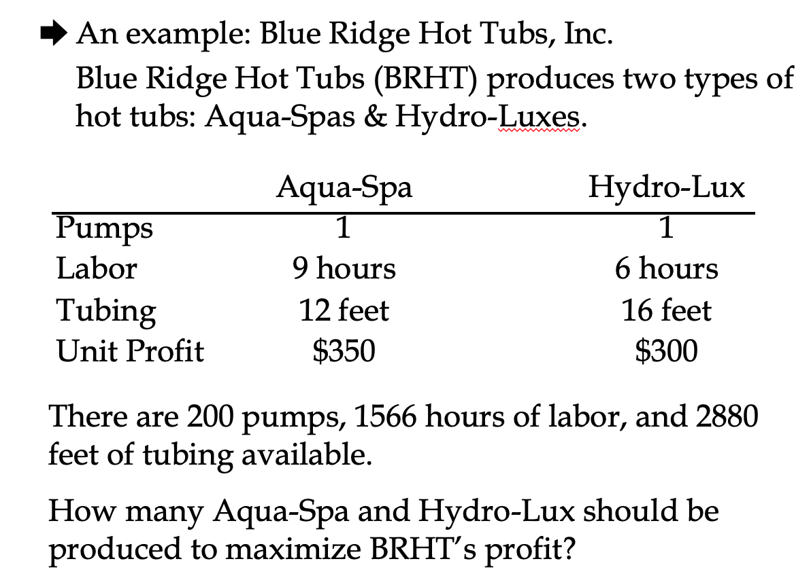

Solution1
 | AquaSpa | HydroLux
 | X1 | X2
Decision Variables | 122 | 78
Profit (MAX) | 350 | 300 | 66100 | RHS
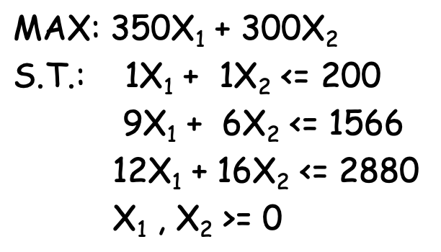
Pumps | 1 | 1 | 200 | 200
Labor Hours | 9 | 6 | 1566 | 1566
Tubing | 12 | 16 | 2712 | 2880

Sensitivity Report
Objective Cell (Max)
 | Cell | Name | Final Value
 | $D$4 | Profit (MAX) | 66100

Decision Variable Cells
 |  |  | Final | Reduced | Objective | Allowable | Allowable
 | Cell | Name | Value | Cost | Coefficient | Increase | Decrease
 | $B$3 | Decision Variables X1 | 122 | 0 | 350 | 100.00000005 | 50.000000033
 | $C$3 | Decision Variables X2 | 78 | 0 | 300 | 50.000000033 | 66.6666667

Constraints
 |  |  | Final | Shadow | Constraint | Allowable | Allowable
 | Cell | Name | Value | Price | R.H. Side | Increase | Decrease
 | $D$5 | Pumps | 200 | 200 | 200 | 7 | 26
 | $D$6 | Labor Hours | 1566 | 16.666666667 | 1566 | 234 | 126
 | $D$7 | Tubing | 2712 | 0 | 2880 | 1E+30 | 168

Problem2
